TIMER
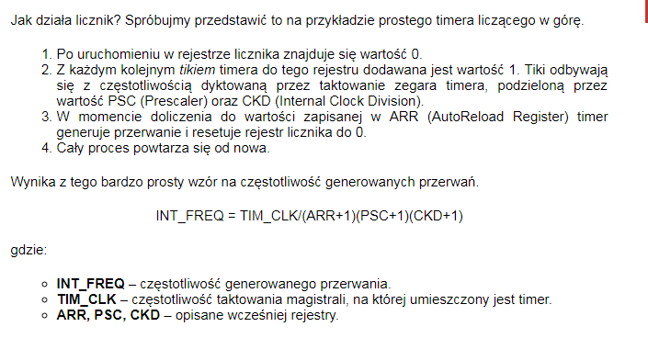
 | INT_FREQ | 1000 | Hz czyli x/sek
 | tick co | 0.001 | sekundy
 | tick co | 1 | milisekundy

TIM_CLK | FCLK | 72 | MHz
TIM_CLK | FCLK | 72000000 | Hz
Prescaler | PSC | 65535 | max 65535
Internal Clock Division | CKD | 1 | max 65535
Counter Period (AutoReload Register) | ARR | -0.45068359375 | max 65535

FREQ
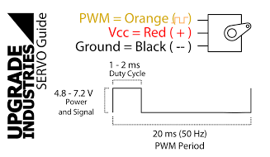
 | INT_FREQ | 50 | Hz czyli x/sek
 | tick co | 0.02 | sekundy
 | tick co | 20 | milisekundy

TIM_CLK | FCLK | 64 | MHz
TIM_CLK | FCLK | 64000000 | Hz
Prescaler | PSC | 63999 | max 65535
Internal Clock Division | CKD | 0 | max 65535
Counter Period (AutoReload Register) | ARR | 19 | max 65535

 | tick co | 20 | ms
 | f= | 50 | Hz

